SN5 Pins
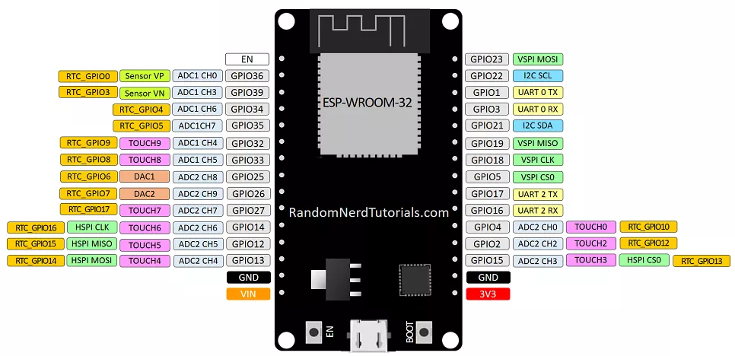
Useage | PIN |  | PIN | Useage
N/C | EN |  | GPIO23 | Rotary Encoder 1 CLK
Touch interupt | GPIO36 |  | GPIO22 | Rotary Encoder 1 DT
BBC interupt | GPIO39 |  | GPIO1 | Normal USB (TX)
Switch interupt | GPIO34 |  | GPIO3 | Normal USB (RX)
ADC 1 | GPIO35 |  | GPIO21 | Rotary Encoder 2 CLK
I2C SDA | GPIO32 |  | GPIO19 | Rotary Encoder 2 DT
ADC 2 | GPIO33 |  | GPIO18 | BBC Microbit i2c SCL
DAC 1 | GPIO25 |  | GPIO5 | BBC Microbit i2c SDA
DAC 2 | GPIO26 |  | GPIO17 | DFPLAYER BUSY
I2C SCL | GPIO27 |  | GPIO16 | DFPLAYER TX
JTAG MTMS | GPIO14 |  | GPIO4 | DFPLAYER RX
JTAG MTDI | GPIO12 |  | GPIO2 | Onboard LED
JTAG MTCK | GPIO13 |  | GPIO15 | JTAG MTDO
 | GND |  | GND
5v | VIN |  | 3V3
 |  | USB

 |  |  |  |  | https://randomnerdtutorials.com/esp32-pinout-reference-gpios/

